Sheet1
Parts | Quantity Needed | Picture | Link | Notes
 | Fully assembled: | (insert pic)
Main Components
5W 5V solar system | 1 | 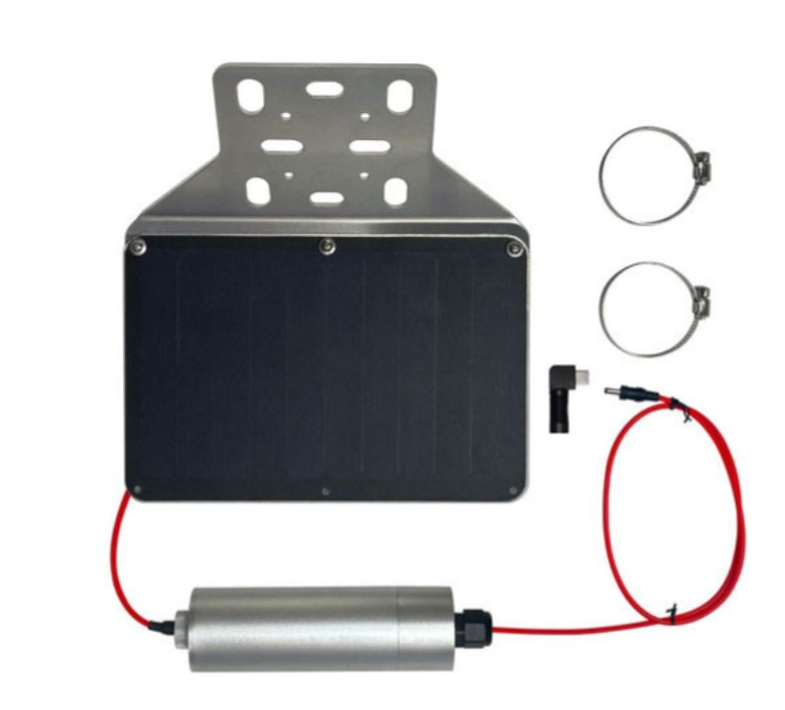 | https://voltaicsystems.com/5-watt-5-volt-35wh-solar-system/
Female 3.5x1.1mm - MicroUSB | 1 | 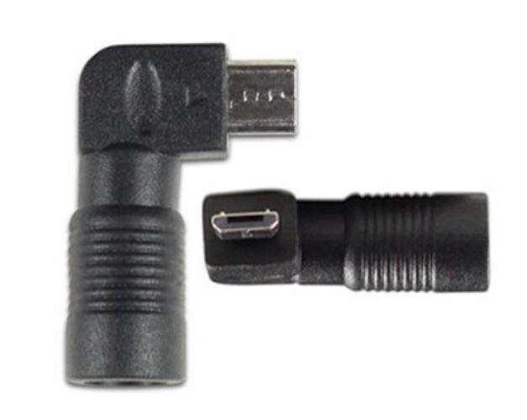 | https://voltaicsystems.com/A101
OpenMV Cam H7 Plus | 1 | 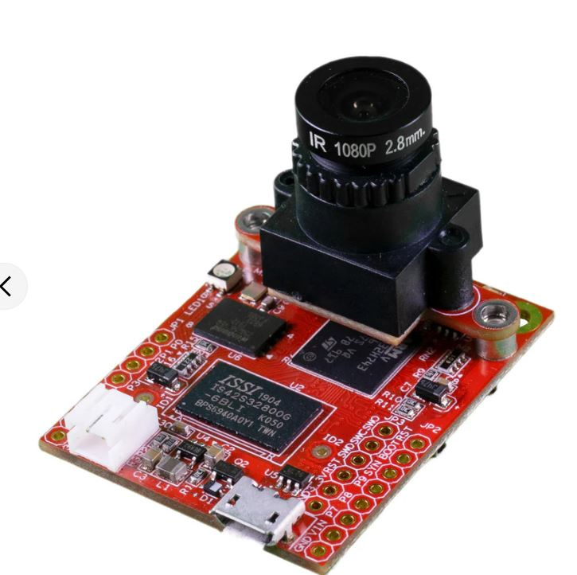 | https://openmv.io/products/openmv-cam-h7-plus
Micro SD card | 1 |  | https://www.amazon.com/Samsung-Plus-Micro-Memory-Adapter/dp/B07349L1WS/ref=sxts_b2b_ccp_search_w_op?content-id=amzn1.sym.df2081bd-b9c5-41f7-ae97-6c056112b3d5%3Aamzn1.sym.df2081bd-b9c5-41f7-ae97-6c056112b3d5&crid=862ECJNIXIK0&cv_ct_cx=samsung+evo+micro+sd&dib=eyJ2IjoiMSJ9.fMVgyAeLQX27j03RQv3hqHsvaDQHY2ISQbUgIByFqRjnMEth4dMb-vYCNjBSB7TnemIOdxEW2HPXkicLqMrcZ7xEXDkz1AEW8xSvgJ_B2D4.HeI44xT4EYQYVCuCi3J__wAMOyhJB2TSUV3jmobJmIU&dib_tag=se&keywords=samsung+evo+micro+sd&pd_rd_i=B07349L1WS&pd_rd_r=4f3a8ff5-89fb-436b-89e0-455c09bc395f&pd_rd_w=QLDHd&pd_rd_wg=iNvSB&pf_rd_p=df2081bd-b9c5-41f7-ae97-6c056112b3d5&pf_rd_r=WX0XB4A0Q443VYM0EM9Z&qid=1718905917&sbo=RZvfv%2F%2FHxDF%2BO5021pAnSA%3D%3D&sprefix=samsung+evo+micro%2Caps%2C100&sr=1-4-d27bdacb-ad14-3372-97fb-5f5070035007 | Needed for the OpenMV
Particle Boron | 1 | 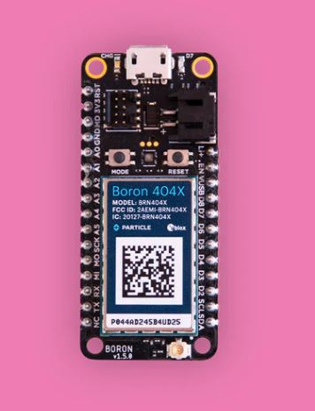 | https://docs.particle.io/boron/
Mosfet switch (in reality is a combo of a 10k resistor and drain gate) | 1 | 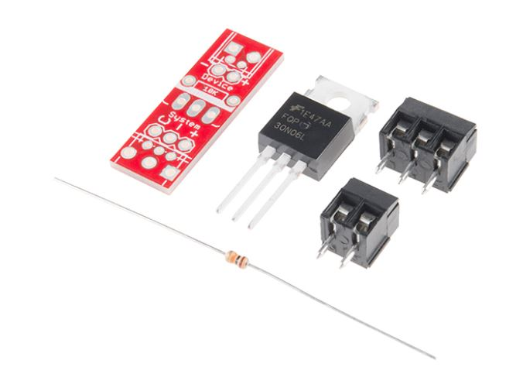 | https://www.sparkfun.com/products/24144 and https://www.sparkfun.com/products/8374
1 in x 1 in Protoboard | 1 | 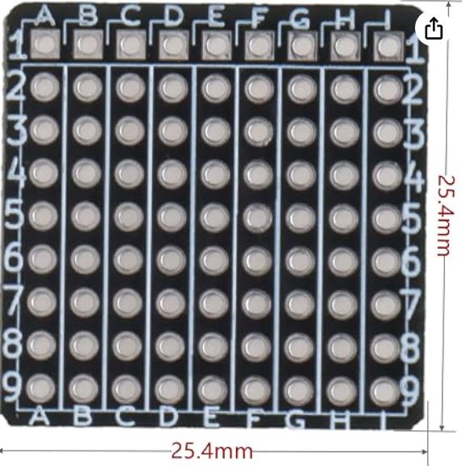 | https://www.amazon.com/dp/B09ZPFPJGL?ref_=pe_386300_442746000_DDT_E_DDE_dt_1&th=1 | This ones' rows are not shorted so in future orders, I'd recommend a different one
Resistors | 4 total: 3 of 1M ohm and 1 of 330K ohm | 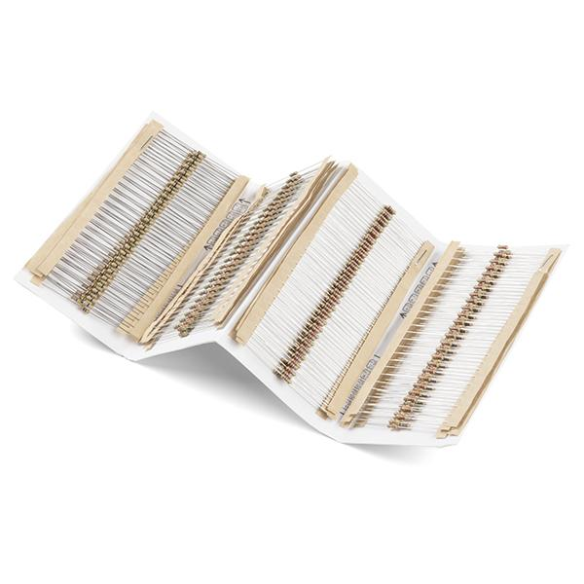 | https://www.sparkfun.com/products/10969
Polycase WH-02-02 Clear | 1 | 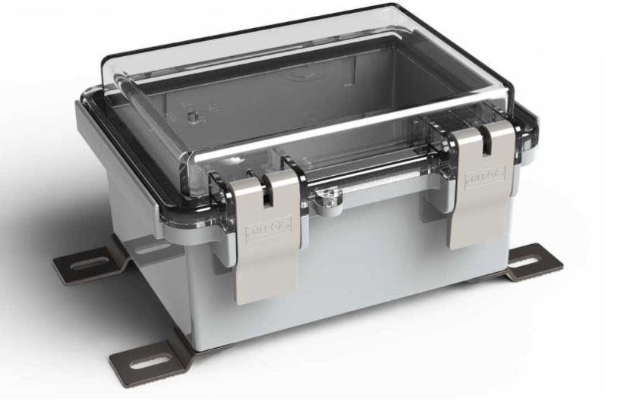 | https://www.polycase.com/wh-02?gad_source=1&gclid=CjwKCAjwvvmzBhA2EiwAtHVrb_OpcvdUoyXntZWX2MLw8V968miRyHnMgBHbNHssUm7vO2qbrtwvYRoCEqQQAvD_BwE | assembly includes gasketed enclosure, 4 external mounting feet, and 4 screws
3D Printed Parts
For mounting the external housing:
XY Bracket | 1 | 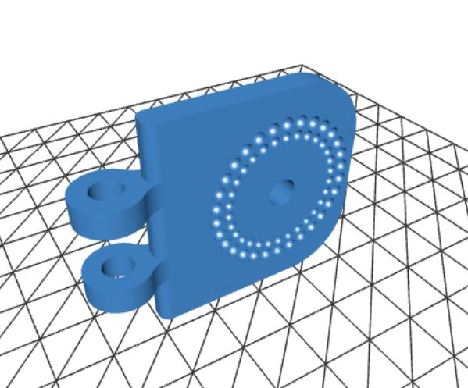 | https://github.com/TinyCamML/Boron-and-OpenMV/blob/main/hardware/XY_bracket_v4.stl
Extender | 1 |  | https://github.com/TinyCamML/Boron-and-OpenMV/blob/main/hardware/extender_v3.stl
Polycase Mount | 1 | 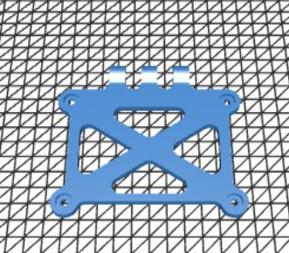 | https://github.com/TinyCamML/Boron-and-OpenMV/blob/main/hardware/polycase_mount_v5.stl
Solar Panel mount | 1 | 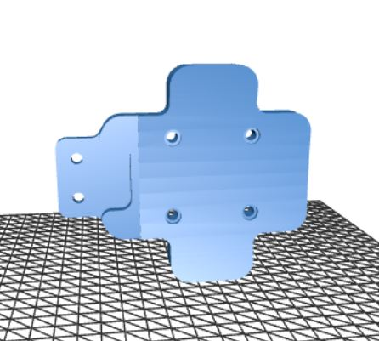 | https://github.com/TinyCamML/Boron-and-OpenMV/blob/main/hardware/solar_panel_mount_v4.stl
Visor | 1 | 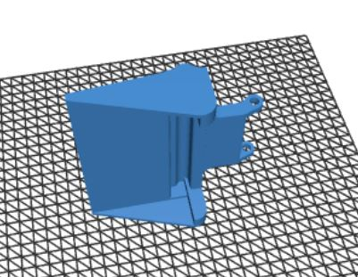 | https://github.com/TinyCamML/Boron-and-OpenMV/blob/main/hardware/visor.stl
For mounting internal electronics:
Antenna Mount | 1 |  | https://github.com/TinyCamML/Boron-and-OpenMV/blob/main/hardware/antenna_mount_v4.stl
Baseplate | 1 | 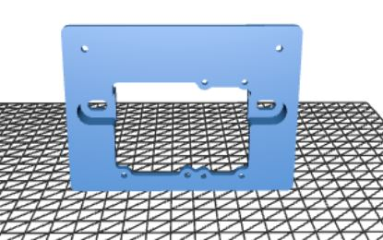 | https://github.com/TinyCamML/Boron-and-OpenMV/blob/main/hardware/baseplate_v6.stl
Physical hardware
For the mount + housing:
1/4-in x 2-1/2-in Stainless Coarse Thread Hex Bolt | 1 |  | https://www.lowes.com/pd/Hillman-1-4-in-x-2-1-2-in-Stainless-Coarse-Thread-Hex-Bolt/3701970
1/4-in x 20 Stainless Steel Stainless Steel Nylon Insert Nut | 1 |  | https://www.lowes.com/pd/Hillman-1-4-in-Stainless-Steel-Standard-Sae-Nylon-Insert-Lock-Nut/4756057
M5 20mm Metric Hex Socket Head Cap | 7 |  | https://www.amazon.com/dp/B0BZ6NVQZP?ref=ppx_yo2ov_dt_b_product_details&th=1
M5 Hex Nut | 7 |  | https://www.amazon.com/dp/B0BZ6NVQZP?ref=ppx_yo2ov_dt_b_product_details&th=1
M4 x 8mm Phillips thread rolling screws | 6 |  | https://www.polycase.com/screws-007-50 | 4 for external mounts, 2 for internal mount; 4 are included in the polycase kit
For mounting electronics:
M2 x 10 mm + 3 mm brass standoff | 2 |  | https://www.amazon.com/HELIFOUNER-Standoffs-Assortment-Threaded-Motherboard/dp/B0B7SN13YR/ref=sr_1_1_sspa?crid=2FNHV8EAD30HT&dib=eyJ2IjoiMSJ9.OKJv_8474kgF2PNegHD41URb67P94nzJ_EPWJGSzMUISiMMts4EkEqGJ-3-39iaU74PXNElRDUcyxbO3gmyoKSu1VvATF4NV4smnTwm7mxaFqk4sRFVbvULgoDL0MLm9Fe5RqfEKRHc2yfVYWvzkbsASZZNDiH_DQOpzFU3a98lDKVlmnCwuVo2eM9Rf1RiSR9uLeGIciC0CipYV-OjgtSXcVVwgar5Ge4YQI6iMCvXxxUrl6RhVrwGHc9BMUHX1ifFtR0Mg-IlBBkNkUEIPvTblV1g5cV_UsF0OfOz0ieA.L5tKWGx9ev36aBsncfp-aGQwT63xFNAN5adlkJSgfB8&dib_tag=se&keywords=HELIFOUNER%2B422%2BPieces%2BM2%2BM2.5%2BM3%2BMale%2BFemale%2BHex%2BBrass%2BSpacers%2BStandoffs%2BScrews%2BNuts%2BAssortment%2BKit%2C%2BThreaded%2BPillar%2Bfor%2BPrinted%2BCircuit%2BBoard%2BMotherboard&qid=1721677270&s=industrial&sprefix=helifouner%2B422%2Bpieces%2Bm2%2Bm2.5%2Bm3%2Bmale%2Bfemale%2Bhex%2Bbrass%2Bspacers%2Bstandoffs%2Bscrews%2Bnuts%2Bassortment%2Bkit%2C%2Bthreaded%2Bpillar%2Bfor%2Bprinted%2Bcircuit%2Bboard%2Bmotherboard%2Cindustrial%2C81&sr=1-1-spons&sp_csd=d2lkZ2V0TmFtZT1zcF9hdGY&th=1 | for mounting the mini protoboard for voltage divider to baseplate
M2 x 5 screws | 2 |  | https://www.amazon.com/HELIFOUNER-Standoffs-Assortment-Threaded-Motherboard/dp/B0B7SN13YR/ref=sr_1_1_sspa?crid=2FNHV8EAD30HT&dib=eyJ2IjoiMSJ9.OKJv_8474kgF2PNegHD41URb67P94nzJ_EPWJGSzMUISiMMts4EkEqGJ-3-39iaU74PXNElRDUcyxbO3gmyoKSu1VvATF4NV4smnTwm7mxaFqk4sRFVbvULgoDL0MLm9Fe5RqfEKRHc2yfVYWvzkbsASZZNDiH_DQOpzFU3a98lDKVlmnCwuVo2eM9Rf1RiSR9uLeGIciC0CipYV-OjgtSXcVVwgar5Ge4YQI6iMCvXxxUrl6RhVrwGHc9BMUHX1ifFtR0Mg-IlBBkNkUEIPvTblV1g5cV_UsF0OfOz0ieA.L5tKWGx9ev36aBsncfp-aGQwT63xFNAN5adlkJSgfB8&dib_tag=se&keywords=HELIFOUNER%2B422%2BPieces%2BM2%2BM2.5%2BM3%2BMale%2BFemale%2BHex%2BBrass%2BSpacers%2BStandoffs%2BScrews%2BNuts%2BAssortment%2BKit%2C%2BThreaded%2BPillar%2Bfor%2BPrinted%2BCircuit%2BBoard%2BMotherboard&qid=1721677270&s=industrial&sprefix=helifouner%2B422%2Bpieces%2Bm2%2Bm2.5%2Bm3%2Bmale%2Bfemale%2Bhex%2Bbrass%2Bspacers%2Bstandoffs%2Bscrews%2Bnuts%2Bassortment%2Bkit%2C%2Bthreaded%2Bpillar%2Bfor%2Bprinted%2Bcircuit%2Bboard%2Bmotherboard%2Cindustrial%2C81&sr=1-1-spons&sp_csd=d2lkZ2V0TmFtZT1zcF9hdGY&th=1 | for mounting the mini protoboard for voltage divider to baseplate
M2 nuts | 2 |  | https://www.amazon.com/HELIFOUNER-Standoffs-Assortment-Threaded-Motherboard/dp/B0B7SN13YR/ref=sr_1_1_sspa?crid=2FNHV8EAD30HT&dib=eyJ2IjoiMSJ9.OKJv_8474kgF2PNegHD41URb67P94nzJ_EPWJGSzMUISiMMts4EkEqGJ-3-39iaU74PXNElRDUcyxbO3gmyoKSu1VvATF4NV4smnTwm7mxaFqk4sRFVbvULgoDL0MLm9Fe5RqfEKRHc2yfVYWvzkbsASZZNDiH_DQOpzFU3a98lDKVlmnCwuVo2eM9Rf1RiSR9uLeGIciC0CipYV-OjgtSXcVVwgar5Ge4YQI6iMCvXxxUrl6RhVrwGHc9BMUHX1ifFtR0Mg-IlBBkNkUEIPvTblV1g5cV_UsF0OfOz0ieA.L5tKWGx9ev36aBsncfp-aGQwT63xFNAN5adlkJSgfB8&dib_tag=se&keywords=HELIFOUNER%2B422%2BPieces%2BM2%2BM2.5%2BM3%2BMale%2BFemale%2BHex%2BBrass%2BSpacers%2BStandoffs%2BScrews%2BNuts%2BAssortment%2BKit%2C%2BThreaded%2BPillar%2Bfor%2BPrinted%2BCircuit%2BBoard%2BMotherboard&qid=1721677270&s=industrial&sprefix=helifouner%2B422%2Bpieces%2Bm2%2Bm2.5%2Bm3%2Bmale%2Bfemale%2Bhex%2Bbrass%2Bspacers%2Bstandoffs%2Bscrews%2Bnuts%2Bassortment%2Bkit%2C%2Bthreaded%2Bpillar%2Bfor%2Bprinted%2Bcircuit%2Bboard%2Bmotherboard%2Cindustrial%2C81&sr=1-1-spons&sp_csd=d2lkZ2V0TmFtZT1zcF9hdGY&th=1 | for mounting the mini protoboard for voltage divider to baseplate
M2.5 x 12mm screws | 2 |  |  | for mounting the antenna to baseplate
M2.5 nuts | 2 |  |  | for mounting the antenna to baseplate
M2.5 x 20 mm + 6 mm brass standoff | 4 |  | https://www.amazon.com/HELIFOUNER-Standoffs-Assortment-Threaded-Motherboard/dp/B0B7SN13YR/ref=sr_1_1_sspa?crid=2FNHV8EAD30HT&dib=eyJ2IjoiMSJ9.OKJv_8474kgF2PNegHD41URb67P94nzJ_EPWJGSzMUISiMMts4EkEqGJ-3-39iaU74PXNElRDUcyxbO3gmyoKSu1VvATF4NV4smnTwm7mxaFqk4sRFVbvULgoDL0MLm9Fe5RqfEKRHc2yfVYWvzkbsASZZNDiH_DQOpzFU3a98lDKVlmnCwuVo2eM9Rf1RiSR9uLeGIciC0CipYV-OjgtSXcVVwgar5Ge4YQI6iMCvXxxUrl6RhVrwGHc9BMUHX1ifFtR0Mg-IlBBkNkUEIPvTblV1g5cV_UsF0OfOz0ieA.L5tKWGx9ev36aBsncfp-aGQwT63xFNAN5adlkJSgfB8&dib_tag=se&keywords=HELIFOUNER%2B422%2BPieces%2BM2%2BM2.5%2BM3%2BMale%2BFemale%2BHex%2BBrass%2BSpacers%2BStandoffs%2BScrews%2BNuts%2BAssortment%2BKit%2C%2BThreaded%2BPillar%2Bfor%2BPrinted%2BCircuit%2BBoard%2BMotherboard&qid=1721677270&s=industrial&sprefix=helifouner%2B422%2Bpieces%2Bm2%2Bm2.5%2Bm3%2Bmale%2Bfemale%2Bhex%2Bbrass%2Bspacers%2Bstandoffs%2Bscrews%2Bnuts%2Bassortment%2Bkit%2C%2Bthreaded%2Bpillar%2Bfor%2Bprinted%2Bcircuit%2Bboard%2Bmotherboard%2Cindustrial%2C81&sr=1-1-spons&sp_csd=d2lkZ2V0TmFtZT1zcF9hdGY&th=1 | for mounting the boron to baseplate
M2.5 x 6 screws | 4 |  | https://www.amazon.com/HELIFOUNER-Standoffs-Assortment-Threaded-Motherboard/dp/B0B7SN13YR/ref=sr_1_1_sspa?crid=2FNHV8EAD30HT&dib=eyJ2IjoiMSJ9.OKJv_8474kgF2PNegHD41URb67P94nzJ_EPWJGSzMUISiMMts4EkEqGJ-3-39iaU74PXNElRDUcyxbO3gmyoKSu1VvATF4NV4smnTwm7mxaFqk4sRFVbvULgoDL0MLm9Fe5RqfEKRHc2yfVYWvzkbsASZZNDiH_DQOpzFU3a98lDKVlmnCwuVo2eM9Rf1RiSR9uLeGIciC0CipYV-OjgtSXcVVwgar5Ge4YQI6iMCvXxxUrl6RhVrwGHc9BMUHX1ifFtR0Mg-IlBBkNkUEIPvTblV1g5cV_UsF0OfOz0ieA.L5tKWGx9ev36aBsncfp-aGQwT63xFNAN5adlkJSgfB8&dib_tag=se&keywords=HELIFOUNER%2B422%2BPieces%2BM2%2BM2.5%2BM3%2BMale%2BFemale%2BHex%2BBrass%2BSpacers%2BStandoffs%2BScrews%2BNuts%2BAssortment%2BKit%2C%2BThreaded%2BPillar%2Bfor%2BPrinted%2BCircuit%2BBoard%2BMotherboard&qid=1721677270&s=industrial&sprefix=helifouner%2B422%2Bpieces%2Bm2%2Bm2.5%2Bm3%2Bmale%2Bfemale%2Bhex%2Bbrass%2Bspacers%2Bstandoffs%2Bscrews%2Bnuts%2Bassortment%2Bkit%2C%2Bthreaded%2Bpillar%2Bfor%2Bprinted%2Bcircuit%2Bboard%2Bmotherboard%2Cindustrial%2C81&sr=1-1-spons&sp_csd=d2lkZ2V0TmFtZT1zcF9hdGY&th=1 | for mounting the boron to baseplate
M2.5 nuts | 4 |  | https://www.amazon.com/HELIFOUNER-Standoffs-Assortment-Threaded-Motherboard/dp/B0B7SN13YR/ref=sr_1_1_sspa?crid=2FNHV8EAD30HT&dib=eyJ2IjoiMSJ9.OKJv_8474kgF2PNegHD41URb67P94nzJ_EPWJGSzMUISiMMts4EkEqGJ-3-39iaU74PXNElRDUcyxbO3gmyoKSu1VvATF4NV4smnTwm7mxaFqk4sRFVbvULgoDL0MLm9Fe5RqfEKRHc2yfVYWvzkbsASZZNDiH_DQOpzFU3a98lDKVlmnCwuVo2eM9Rf1RiSR9uLeGIciC0CipYV-OjgtSXcVVwgar5Ge4YQI6iMCvXxxUrl6RhVrwGHc9BMUHX1ifFtR0Mg-IlBBkNkUEIPvTblV1g5cV_UsF0OfOz0ieA.L5tKWGx9ev36aBsncfp-aGQwT63xFNAN5adlkJSgfB8&dib_tag=se&keywords=HELIFOUNER%2B422%2BPieces%2BM2%2BM2.5%2BM3%2BMale%2BFemale%2BHex%2BBrass%2BSpacers%2BStandoffs%2BScrews%2BNuts%2BAssortment%2BKit%2C%2BThreaded%2BPillar%2Bfor%2BPrinted%2BCircuit%2BBoard%2BMotherboard&qid=1721677270&s=industrial&sprefix=helifouner%2B422%2Bpieces%2Bm2%2Bm2.5%2Bm3%2Bmale%2Bfemale%2Bhex%2Bbrass%2Bspacers%2Bstandoffs%2Bscrews%2Bnuts%2Bassortment%2Bkit%2C%2Bthreaded%2Bpillar%2Bfor%2Bprinted%2Bcircuit%2Bboard%2Bmotherboard%2Cindustrial%2C81&sr=1-1-spons&sp_csd=d2lkZ2V0TmFtZT1zcF9hdGY&th=1 | for mounting the boron to baseplate
M3 x 15 mm + 6 mm brass standoff | 2 |  | https://www.amazon.com/HELIFOUNER-Standoffs-Assortment-Threaded-Motherboard/dp/B0B7SN13YR/ref=sr_1_1_sspa?crid=2FNHV8EAD30HT&dib=eyJ2IjoiMSJ9.OKJv_8474kgF2PNegHD41URb67P94nzJ_EPWJGSzMUISiMMts4EkEqGJ-3-39iaU74PXNElRDUcyxbO3gmyoKSu1VvATF4NV4smnTwm7mxaFqk4sRFVbvULgoDL0MLm9Fe5RqfEKRHc2yfVYWvzkbsASZZNDiH_DQOpzFU3a98lDKVlmnCwuVo2eM9Rf1RiSR9uLeGIciC0CipYV-OjgtSXcVVwgar5Ge4YQI6iMCvXxxUrl6RhVrwGHc9BMUHX1ifFtR0Mg-IlBBkNkUEIPvTblV1g5cV_UsF0OfOz0ieA.L5tKWGx9ev36aBsncfp-aGQwT63xFNAN5adlkJSgfB8&dib_tag=se&keywords=HELIFOUNER%2B422%2BPieces%2BM2%2BM2.5%2BM3%2BMale%2BFemale%2BHex%2BBrass%2BSpacers%2BStandoffs%2BScrews%2BNuts%2BAssortment%2BKit%2C%2BThreaded%2BPillar%2Bfor%2BPrinted%2BCircuit%2BBoard%2BMotherboard&qid=1721677270&s=industrial&sprefix=helifouner%2B422%2Bpieces%2Bm2%2Bm2.5%2Bm3%2Bmale%2Bfemale%2Bhex%2Bbrass%2Bspacers%2Bstandoffs%2Bscrews%2Bnuts%2Bassortment%2Bkit%2C%2Bthreaded%2Bpillar%2Bfor%2Bprinted%2Bcircuit%2Bboard%2Bmotherboard%2Cindustrial%2C81&sr=1-1-spons&sp_csd=d2lkZ2V0TmFtZT1zcF9hdGY&th=2 | for mounting the openmv to baseplate
M3 x 6 screws | 2 |  | https://www.amazon.com/HELIFOUNER-Standoffs-Assortment-Threaded-Motherboard/dp/B0B7SN13YR/ref=sr_1_1_sspa?crid=2FNHV8EAD30HT&dib=eyJ2IjoiMSJ9.OKJv_8474kgF2PNegHD41URb67P94nzJ_EPWJGSzMUISiMMts4EkEqGJ-3-39iaU74PXNElRDUcyxbO3gmyoKSu1VvATF4NV4smnTwm7mxaFqk4sRFVbvULgoDL0MLm9Fe5RqfEKRHc2yfVYWvzkbsASZZNDiH_DQOpzFU3a98lDKVlmnCwuVo2eM9Rf1RiSR9uLeGIciC0CipYV-OjgtSXcVVwgar5Ge4YQI6iMCvXxxUrl6RhVrwGHc9BMUHX1ifFtR0Mg-IlBBkNkUEIPvTblV1g5cV_UsF0OfOz0ieA.L5tKWGx9ev36aBsncfp-aGQwT63xFNAN5adlkJSgfB8&dib_tag=se&keywords=HELIFOUNER%2B422%2BPieces%2BM2%2BM2.5%2BM3%2BMale%2BFemale%2BHex%2BBrass%2BSpacers%2BStandoffs%2BScrews%2BNuts%2BAssortment%2BKit%2C%2BThreaded%2BPillar%2Bfor%2BPrinted%2BCircuit%2BBoard%2BMotherboard&qid=1721677270&s=industrial&sprefix=helifouner%2B422%2Bpieces%2Bm2%2Bm2.5%2Bm3%2Bmale%2Bfemale%2Bhex%2Bbrass%2Bspacers%2Bstandoffs%2Bscrews%2Bnuts%2Bassortment%2Bkit%2C%2Bthreaded%2Bpillar%2Bfor%2Bprinted%2Bcircuit%2Bboard%2Bmotherboard%2Cindustrial%2C81&sr=1-1-spons&sp_csd=d2lkZ2V0TmFtZT1zcF9hdGY&th=3 | for mounting the openmv to baseplate
M3 nuts | 2 |  | https://www.amazon.com/HELIFOUNER-Standoffs-Assortment-Threaded-Motherboard/dp/B0B7SN13YR/ref=sr_1_1_sspa?crid=2FNHV8EAD30HT&dib=eyJ2IjoiMSJ9.OKJv_8474kgF2PNegHD41URb67P94nzJ_EPWJGSzMUISiMMts4EkEqGJ-3-39iaU74PXNElRDUcyxbO3gmyoKSu1VvATF4NV4smnTwm7mxaFqk4sRFVbvULgoDL0MLm9Fe5RqfEKRHc2yfVYWvzkbsASZZNDiH_DQOpzFU3a98lDKVlmnCwuVo2eM9Rf1RiSR9uLeGIciC0CipYV-OjgtSXcVVwgar5Ge4YQI6iMCvXxxUrl6RhVrwGHc9BMUHX1ifFtR0Mg-IlBBkNkUEIPvTblV1g5cV_UsF0OfOz0ieA.L5tKWGx9ev36aBsncfp-aGQwT63xFNAN5adlkJSgfB8&dib_tag=se&keywords=HELIFOUNER%2B422%2BPieces%2BM2%2BM2.5%2BM3%2BMale%2BFemale%2BHex%2BBrass%2BSpacers%2BStandoffs%2BScrews%2BNuts%2BAssortment%2BKit%2C%2BThreaded%2BPillar%2Bfor%2BPrinted%2BCircuit%2BBoard%2BMotherboard&qid=1721677270&s=industrial&sprefix=helifouner%2B422%2Bpieces%2Bm2%2Bm2.5%2Bm3%2Bmale%2Bfemale%2Bhex%2Bbrass%2Bspacers%2Bstandoffs%2Bscrews%2Bnuts%2Bassortment%2Bkit%2C%2Bthreaded%2Bpillar%2Bfor%2Bprinted%2Bcircuit%2Bboard%2Bmotherboard%2Cindustrial%2C81&sr=1-1-spons&sp_csd=d2lkZ2V0TmFtZT1zcF9hdGY&th=4 | for mounting the openmv to baseplate
Short female to male jumper cables | 2024-08-10 |  |  | for connecting all electronics together
extra male headers | one row broken up |  |  | for soldering onto voltage divider so jumper cables can connect to it

